thermal cond.
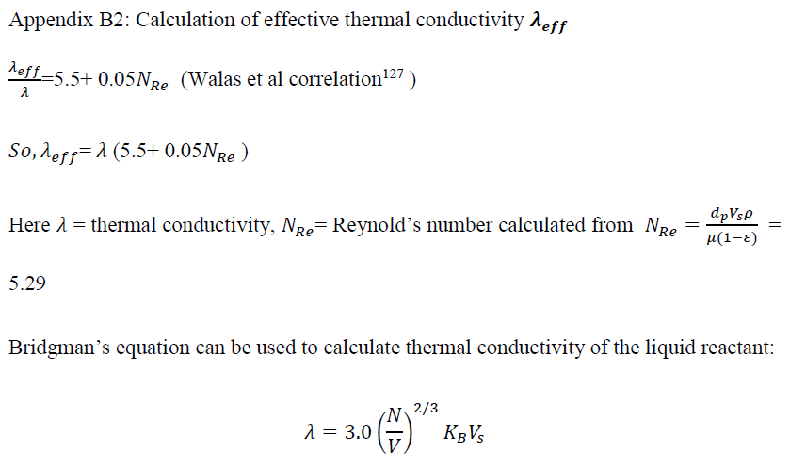
Thermal Conductivity
 | lambda_eff/lambda |  | 5.5+0.05NRe
 | lambda_eff/lambda |  | 5.5104658531

 | molar volume,V

 | Avg Mol wt | 26.24 | g/mol(Kg/Kmol) |  | 0.02624 | kg/mol
 | Ro_g | 377.09636261 | kg/m^3 | 377096.36261 | g/m3
 | V | 6.9584336E-05 | m3/mol

 | Bridgman’s equation can be used to calculate thermal conductivity of the liquid reactant

Sheet5
U.S Energy Consumption ,2017
Biomas composition
Total | 9.77E+16
 | % | 360
Petroleum | 37 | 133.2
natural gas | 29 | 104.4
Renewable Energy
coal | 14 | 50.4
nuclear power | 9 | 32.4
renewable energy | 11 | 39.6
 | 100 | 360

Renewable Energy
Total,BTU | 1.1E+16
 | 100%
geothermal | 2
solar | 6
Wind | 21
Biomass | 4
biofuel | 22
Wood | 19
hydroelectric | 25
 | 99

